Readme
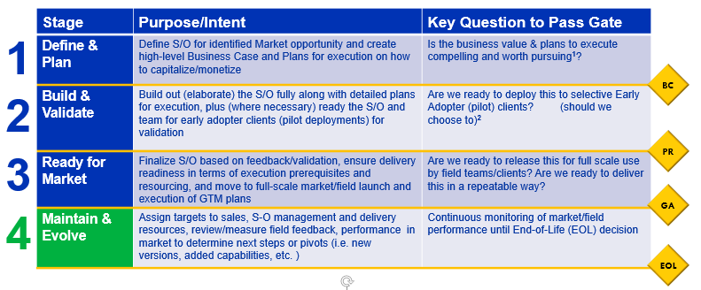
This document is prepared with the intent to help the the S/O owners (and the ISL/POL as the case may be) to evaluate the Delivery Readiness of their S/O in key stages of Springboard 2.0 framework. The S/O Owner is expected to collaborate with enabling teams, facilitated by the Amplify Core Team, to complete required evaluation and address delivery readiness gaps, if any.

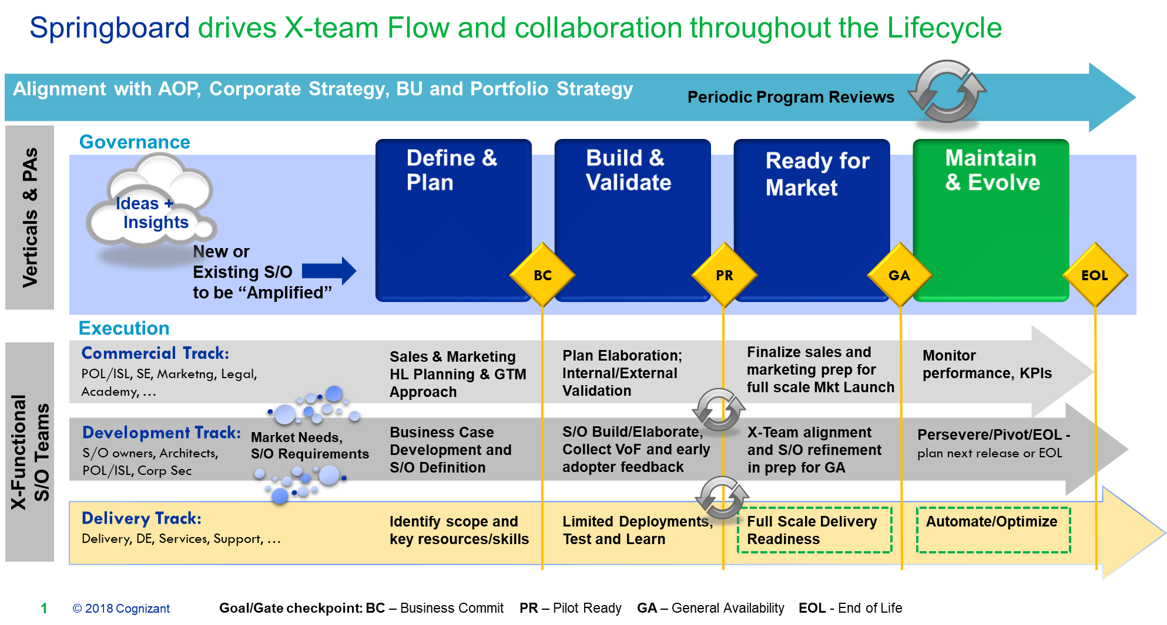

What is an S/O Tier? The Solutions and Offerings in the portfolio are not alike and lie in a spectrum differentiated by complexity, maturity, size and whether it is thoughtware-based or software-based. Given this variation, the framework allows flexibility in the Stage-Gate framework in a few ways: 1. The Solution or Offer could be categorized into Tier 1 (low complexity or thoughtware-based or already monetized in the market) that needs a low touch approach to push towards full “General Availability” or Market Launch 2. The Solution or Offer could be categorized into Tier 2 (high complexity or software-based or needs collaboration from multiple internal or external teams) that needs a high touch approach to push towards full “General Availability” or Market Launch 3. The ‘entry’ into the Framework can be at any Stage, based upon the current state and maturity of the product solution or offering, whereby needing little or no effort to pass a Stage-Gate 4. Within a particular Stage-Gate, the criteria may apply more to Tier 2 over Tier 1

